Understanding the data


Learner Outcomes Reports for further education
Understanding the data

Introduction

1 The Welsh Government has published annual performance indicators for further education since 2011. This guidance explains what information is covered by the indicators, how they are calculated and how to interpret our reports.

What are Learner Outcomes Reports?

2 Learner Outcomes Reports, or LORs, are designed to give an overview of learners’ completion and attainment rates in each further education institution in Wales. They are a ‘snapshot’ which show statistics for a particular year, but they also include trend information which shows how learner outcomes have changed over a three-year period. The statistics are all based on information provided to us by institutions.

3 The LORs cover an academic year, which runs from 1 August – 31 July. There is a few months’ delay in publishing the reports, to give learning providers time to enter their data, check it and for analysis to be carried out, so reports are usually published in the spring following the academic year they relate to.

Reading the reports

4 We have three performance measures for further education. All of them are based on learning activities, or courses (such as A Levels or NVQs) – a learner might do several different learning activities, and each one will be measured separately.

5 The measures are:
· Completion: of all the learning activities which started, how many were completed (the learner was still there at the end of the course)?
· Attainment: of the learning activities which were completed, how many resulted in the learner achieving the qualification they were aiming for?
· Success: this combines completion and attainment into a single overall measure: of all learning activities that were started, how many were successfully completed and achieved?

Chart/Table

6 The first part of the report shows trends in performance for the past three years.

7 This chart shows three year trends in completion, attainment and success rates for learning activities. The horizontal line shows the current ‘national comparator’ for learning activity success – the average rate achieved for all learning activities across all further education institutions in Wales.
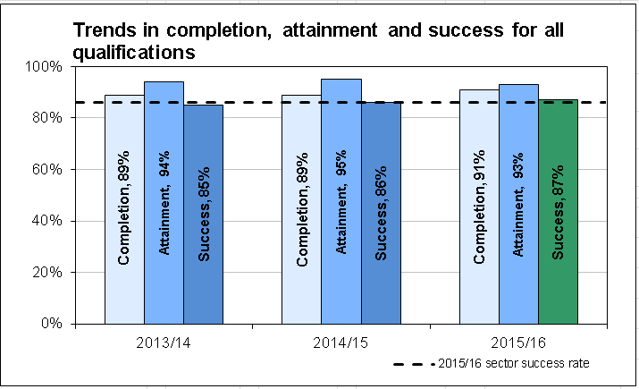

8 For the most recent year, we use ‘traffic lights’ to compare performance to the targets we set. The scale we use is:

9 The report also includes success rates for main qualifications, defined as those qualifications that make up the majority of the teaching time for the learner for example AS level, A-level, diploma or extended diploma.

10 These are split by:
§ vocational qualifications (for example NVQs, Diplomas, Extended Diplomas); and
§ academic qualifications (for example GCSEs; AS/A/A2 Levels; Access Certificates/Diplomas).

11 This table shows success rates for main qualifications and the current ‘national comparators’.

Contextual learner data

12 The second part of the LOR shows some background information on learners’ age, gender, ethnicity and levels of deprivation. These are based on the profile of all learners who were studying at the institution in 2015/16.

13 The deprivation data is based on learners’ postcode, and uses the Welsh Index of Multiple Deprivation to divide learners into five bands, ranging from the most deprived to the least deprived. The Index looks at a range of factors including social, health, housing and educational deprivation; these statistics therefore give an indication of whether the institution is working with a high proportion of learners from deprived areas, which may have an effect on success rates.
Success rate breakdowns

14 The last section of the LOR shows a more detailed breakdown of learning activity success rates. These are calculated in the same way as the overall success rates shown in the charts at the beginning of the LOR, and are broken down in two ways:
· by the level and type of qualification (eg A Level, NVQ, National Diploma); and
· by subject area (eg Science and Mathematics, Information and Communications Technology, Hair and Beauty).

15 This enables you to look at particular types of qualification or subjects that you’re interested in, and to see how the institution’s learner outcomes vary. In some cases you may see that the success rates in a particular area are much higher or lower than the overall success rate for the institution.

16 The report also shows the national comparators (the average for all further education institutions in Wales, for that type of qualification or subject area). These give background information so that you can see how well the institution has performed compared to the rest of Wales.

For further information

17 If you have any questions, or any comments on the LORs, please email us at post16quality@wales.gsi.gov.uk
2017-02-02

Explanatory notes

Quality and Effectiveness Framework
2015/16 Learner Outcomes Reports (further education):
Explanatory notes for institutions

Introduction

1 As part of the Quality and Effectiveness Framework for post-16 learning, Welsh Government has developed standard Learner Outcomes Reports (LORs) for further education institutions (FEIs). This document provides detailed guidance for FEIs on the calculation of performance statistics which are included in LORs.

2 All of the LOR statistics are derived from the Lifelong Learning Wales Record (LLWR) and are based on an annual LLWR freeze. For 2015/16, the freeze was taken on 15 December 2016. All references in this document starting ‘LN’, ‘LP’, ‘LA’ or ‘AW’ relate to LLWR fields. All activities recorded on the LLWR, funded and not funded are included in the LORs.

Section 1: summary charts

Chart A

3 Chart A is a summary chart which is designed to show an overview of trends in completion, attainment and success rates over a three-year period.

4 The learner cohort for all of the calculations is based on learning activities that:
· were expected to complete during 2015/16 (LA10); or
· were expected to complete prior to 2015/16 but which terminated during 2015/16 (LA30).

5 Learning activities with an expected duration of 24 weeks or longer that terminated within eight weeks of commencing without completion are treated as early drop outs and excluded from all calculations.

6 Chart A shows completion, attainment and success rates, defined as follows:

7 Chart A also includes a trendline showing the national comparator for learning activity success, based on all learning activities.

Table B

8 Table B is a summary table of the success rates for main qualifications. Main qualifications are included for all programmes which are not coded using part-time programmes in LP74, and derived from LA47 where the institution has coded the activity as ‘05’. The table is split by:
· vocational qualifications - which includes NVQs, Diplomas, Extended Diplomas; and
· academic qualifications - which includes GCSEs; AS/A/A2 Levels; Access Certificates/Diplomas.

9 The table also includes the respective national comparators.

10 The success rates in Chart A and Table B are ‘RAGed’ (red/amber/green) against a set of thresholds, shown in the table below:

Section 2: contextual information

Age and gender

11 The statistics are derived from LN15 (date of birth) and LN16 (gender). A learner’s age group is calculated from their age as at 31 August in the year they started their learning activity; learners with an unknown date of birth are included in the 19+ age group.

Ethnicity

12 The statistics are derived from LN17 (ethnic origin) and are grouped as follows:

13 Percentages are calculated as a proportion of learners with known ethnicity (i.e. excluding those learners where LN17 = 90 or 99).

Deprivation

14 The statistics are derived from mapping LP09 (Postcode at start of Learning Programme) to the Welsh Index of Multiple Deprivation (WIMD) 2011. The WIMD is the official measure of deprivation in small areas in Wales. The statistics are grouped by quintiles i.e. the percentage of learners domiciled in the one-fifth most deprived areas are detailed in the first row of the table, the percentage of learners in the next one-fifth deprived areas are detailed in the second row and so on.

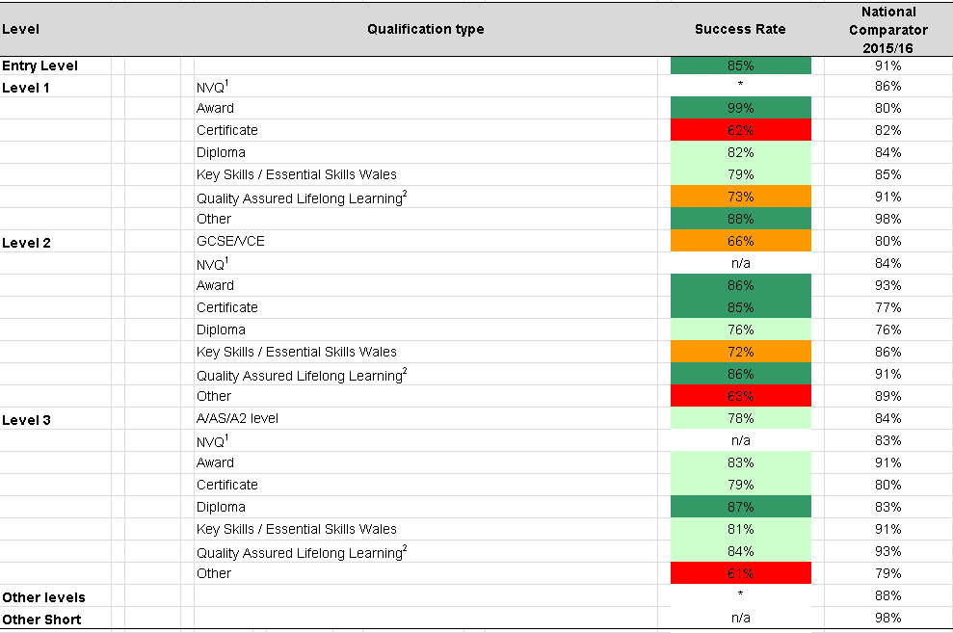
Section 3: qualification type breakdown

15 The qualification level and type are derived from LA06 and LA22. Where LA06 contains a valid Welsh Learning Aims Database (WLAD) code, the level and type are derived from the WLAD. If LA06 contains a generic code, the level and type are mapped from LA22 and the 3rd and 4th characters of LA06 respectively.

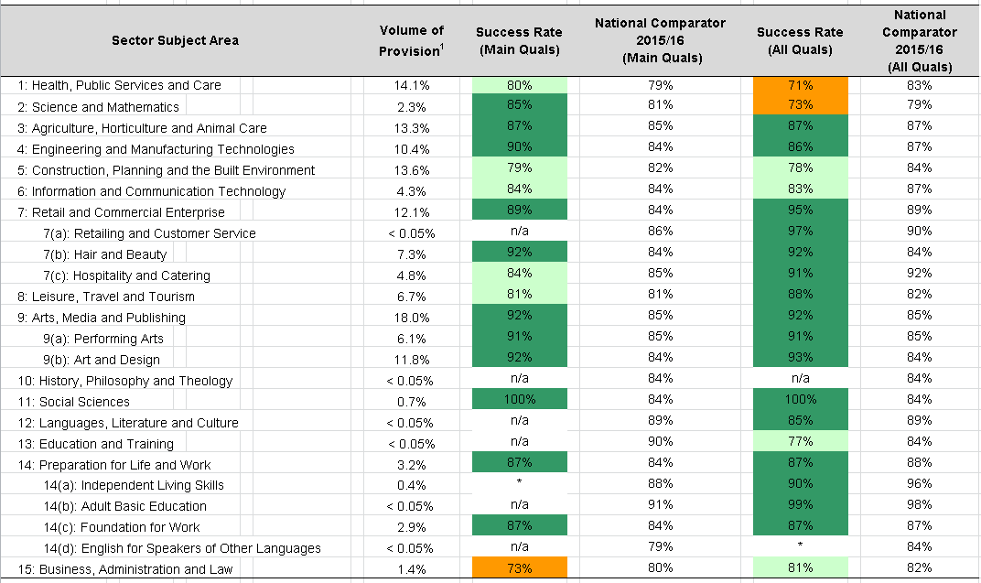
Section 4: Sector Subject Area breakdown

16 The sector subject area is derived from LA06 and LA21. Where LA06 contains a valid WLAD code, the sector subject area is derived from the WLAD. If LA06 contains a generic code, the sector subject area is mapped from LA31 (with the exception of key skills qualifications which are mapped directly to sector subject area 14(c)).

17 The volume of provision is based on the proportion of terminated main qualifications undertaken as part of full-time learning programmes in each Sector Subject Area.

18 Qualification type and sector subject areas success rates are RAGed using the same performance thresholds as overall success rates (see above).

19 National comparators are included, these are shown as contextual information only and do not affect the RAGing.

For further information, please email post16quality@wales.gsi.gov.uk
2017-02-02

LOR (SSA)
Trends in completion, attainment and success for all qualifications
 | Completion | Attainment | Success | Dark Green | Green | Orange | Red | Sector success rate
 |  |  |  |  |  |  |  | 85.92%
 | 93%
2013/14 |  | 0.93
 |  |  | 0.85
 | 95%
2014/15 |  | 0.93
 |  |  | 0.88
 | 93%
2015/16 |  | 0.93
 |  |  |  | 0.86 | 0 | 0 | 0
 |  |  |  |  |  |  |  | 85.92%
INSTITUTION NAME: BRIDGEND COLLEGE
 |  |  |  |  |  | Success rates for main qualifications1 - 2015/16 |  |  |  | Sector success rate | Completion | Attainment | Success | Dark Green | Green | Orange | Red
 |  |  |  |  |  | Qualification type | Success rate | National Comparator |  | 85.92%
 |  |  |  |  |  | Vocational qualifications2 | 86% | 83% |  |  | 93%
 |  |  |  |  |  | Academic qualifications3 | 86% | 83% | 2013/14 |  |  | 93%
 |  |  |  |  |  | All main qualifications | 86% | 83% |  |  |  |  | 85%

 |  |  |  |  |  |  |  |  |  |  | 95%
 |  |  |  |  |  | 1 undertaken as part of full-time learning programmes |  |  | 2014/15 |  |  | 93%
 |  |  |  |  |  | 2 including NVQs, Diplomas, Extended Diplomas |  |  |  |  |  |  | 88%
 |  |  |  |  |  | 3 Including GCSEs; AS/A/A2 Levels; Access Certificates/Diplomas
 |  |  |  |  |  |  |  |  |  |  | 93%
 |  |  |  |  |  |  |  |  | 2015/16 |  |  | 93%
 |  |  |  |  |  |  |  |  |  |  |  |  |  | 86% |  |  |  | 86%
Contextual learner data - 2015/16 |  |  |  |  |  |  |  |  |  | 85.92%

Age and gender | 16-18 | 19+ | All Ages | Ethnicity |  | Deprivation of domicile
 |  |  |  | White | 96.9% | Most Deprived | 25.9%
Male | 24.0% | 22.1% | 46.2% | Black | 0.6% |  | 25.2%
Female | 22.6% | 31.3% | 53.8% | Asian | 1.1% |  | 15.1%
 |  |  |  | Mixed | 1.1% |  | 14.0%
Total | 46.6% | 53.4% | 100.0% | Other | 0.3% | Least Deprived | 19.9%

Success rates by Sector Subject Area - 2015/16

Sector Subject Area |  |  |  | Volume of Provision1 | Success Rate (Main Quals) | National Comparator 2015/16 (Main Quals) | Success Rate (All Quals) | National Comparator 2015/16 (All Quals)
1: Health, Public Services and Care |  |  |  | 14.1% | 80% | 79% | 71% | 83%
2: Science and Mathematics |  |  |  | 2.3% | 85% | 81% | 73% | 79%
3: Agriculture, Horticulture and Animal Care |  |  |  | 13.3% | 87% | 85% | 87% | 87%
4: Engineering and Manufacturing Technologies |  |  |  | 10.4% | 90% | 84% | 86% | 87%
5: Construction, Planning and the Built Environment |  |  |  | 13.6% | 79% | 82% | 78% | 84%
6: Information and Communication Technology |  |  |  | 4.3% | 84% | 84% | 83% | 87%
7: Retail and Commercial Enterprise |  |  |  | 12.1% | 89% | 84% | 95% | 89%
7(a): Retailing and Customer Service |  |  |  | < 0.05% | n/a | 86% | 97% | 90%
7(b): Hair and Beauty |  |  |  | 7.3% | 92% | 84% | 92% | 84%
7(c): Hospitality and Catering |  |  |  | 4.8% | 84% | 85% | 91% | 92%
8: Leisure, Travel and Tourism |  |  |  | 6.7% | 81% | 81% | 88% | 82%
9: Arts, Media and Publishing |  |  |  | 18.0% | 92% | 85% | 92% | 85%
9(a): Performing Arts |  |  |  | 6.1% | 91% | 85% | 91% | 85%
9(b): Art and Design |  |  |  | 11.8% | 92% | 84% | 93% | 84%
10: History, Philosophy and Theology |  |  |  | < 0.05% | n/a | 84% | n/a | 84%
11: Social Sciences |  |  |  | 0.7% | 100% | 84% | 100% | 84%
12: Languages, Literature and Culture |  |  |  | < 0.05% | n/a | 89% | 85% | 89%
13: Education and Training |  |  |  | < 0.05% | n/a | 90% | 77% | 84%
14: Preparation for Life and Work |  |  |  | 3.2% | 87% | 84% | 87% | 88%
14(a): Independent Living Skills |  |  |  | 0.4% | * | 88% | 90% | 96%
14(b): Adult Basic Education |  |  |  | < 0.05% | n/a | 91% | 99% | 98%
14(c): Foundation for Work |  |  |  | 2.9% | 87% | 84% | 87% | 87%
14(d): English for Speakers of Other Languages |  |  |  | < 0.05% | n/a | 79% | * | 84%
15: Business, Administration and Law |  |  |  | 1.4% | 73% | 80% | 81% | 82%
 |  |  |  |  | X |  | X
 |  |  |  |  |  |  |  | Source: Lifelong Learning Wales Record (LLWR) - data as at 15 December 2016
1 Proportion of terminated main qualifications undertaken as part of full-time learning programmes in each Sector Subject Area
Excludes the Essential Skills Wales suite of qualifications introduced in September 2015
Excludes the new Welsh Baccalaureate and Skills Challenge Certificate qualifications introduced in September 2015

Note: For sector subject areas/qualification types with fewer than 10 learning activities, the figures within the table have been suppressed and
replaced with a '*'

Categorisation scales:

85% or above
75% - 84%
65% - 74%
Below 65%

LOR (Level)
Trends in completion, attainment and success for all qualifications
 | Completion | Attainment | Success | Dark Green | Green | Orange | Red | Sector success rate
 |  |  |  |  |  |  |  | 85.92%
 | 93%
2013/14 |  | 0.93
 |  |  | 0.85
 | 95%
2014/15 |  | 0.93
 |  |  | 0.88
 | 93%
2015/16 |  | 0.93
 |  |  |  | 0.86 | 0 | 0 | 0
 |  |  |  |  |  |  |  | 85.92%
INSTITUTION NAME: BRIDGEND COLLEGE
 |  |  |  |  | Success rates for main qualifications1 - 2015/16 |  |  |  |  | Sector success rate | Completion | Attainment | Success | Dark Green | Green | Orange | Red
 |  |  |  |  | Qualification type | Success rate | National Comparator |  |  | 85.92%
 |  |  |  |  | Vocational qualifications2 | 86% | 83% |  |  |  | 93%
 |  |  |  |  | Academic qualifications3 | 86% | 83% |  | 2013/14 |  |  | 93%
 |  |  |  |  | All main qualifications | 86% | 83% |  |  |  |  |  | 85%

 |  |  |  |  |  |  |  |  |  |  | 95%
 |  |  |  |  | 1 undertaken as part of full-time learning programmes |  |  |  | 2014/15 |  |  | 93%
 |  |  |  |  | 2 including NVQs, Diplomas, Extended Diplomas |  |  |  |  |  |  |  | 88%
 |  |  |  |  | 3 Including GCSEs; AS/A/A2 Levels; Access Certificates/Diplomas
 |  |  |  |  |  |  |  |  |  |  | 93%
 |  |  |  |  |  |  |  |  | 2015/16 |  |  | 93%
 |  |  |  |  |  |  |  |  |  |  |  |  |  | 86% |  |  |  | 86%
Contextual learner data - 2015/16 |  |  |  |  |  |  |  |  |  | 85.92%

Age and gender | 16-18 | 19+ | All Ages | Ethnicity |  | Deprivation of domicile
 |  |  |  | White | 96.9% | Most Deprived | 25.9%
Male | 24.0% | 22.1% | 46.2% | Black | 0.6% |  | 25.2%
Female | 22.6% | 31.3% | 53.8% | Asian | 1.1% |  | 15.1%
 |  |  |  | Mixed | 1.1% |  | 14.0%
Total | 46.6% | 53.4% | 100.0% | Other | 0.3% | Least Deprived | 19.9%

Success rates by qualification type - 2015/16

Level |  | Qualification type |  |  |  | Success Rate | National Comparator 2015/16
Entry Level |  |  |  |  |  | 97% | 91%
Level 1 |  | NVQ1 |  |  |  | * | 86%
 |  | Award |  |  |  | n/a | 80%
 |  | Certificate |  |  |  | 88% | 82%
 |  | Diploma |  |  |  | 86% | 84%
 |  | Key Skills / Essential Skills Wales |  |  |  | 85% | 85%
 |  | Quality Assured Lifelong Learning2 |  |  |  | 80% | 91%
 |  | Other |  |  |  | n/a | 98%
Level 2 |  | GCSE/VCE |  |  |  | 80% | 80%
 |  | NVQ1 |  |  |  | 85% | 84%
 |  | Award |  |  |  | 95% | 93%
 |  | Certificate |  |  |  | 78% | 77%
 |  | Diploma |  |  |  | 76% | 76%
 |  | Key Skills / Essential Skills Wales |  |  |  | 86% | 86%
 |  | Quality Assured Lifelong Learning2 |  |  |  | 88% | 91%
 |  | Other |  |  |  | 94% | 89%
Level 3 |  | A/AS/A2 level |  |  |  | 72% | 84%
 |  | NVQ1 |  |  |  | 77% | 83%
 |  | Award |  |  |  | 96% | 91%
 |  | Certificate |  |  |  | 68% | 80%
 |  | Diploma |  |  |  | 83% | 83%
 |  | Key Skills / Essential Skills Wales |  |  |  | 91% | 91%
 |  | Quality Assured Lifelong Learning2 |  |  |  | n/a | 93%
 |  | Other |  |  |  | 79% | 79%
Other levels |  |  |  |  |  | 52% | 88%
Other Short |  |  |  |  |  | 95% | 98%
 |  |  |  |  |  | X |  | 22
 |  |  |  |  |  |  | Source: Lifelong Learning Wales Record (LLWR) - data as at 15 December 2016
1 Includes QCF qualifications that directly replace NVQs
2 Formerly known as OCNs
Excludes the Essential Skills Wales suite of qualifications introduced in September 2015
Excludes the new Welsh Baccalaureate and Skills Challenge Certificate qualifications introduced in September 2015

Note: For sector subject areas/qualification types with fewer than 10 learning activities, the figures within the table have been suppressed and
replaced with a '*'

Categorisation scales:

85% or above
75% - 84%
65% - 74%
Below 65%

